Club Name
2018 Fernie Freestyle Provincial Mogul Comp January 26-28, 2018
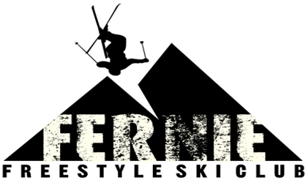
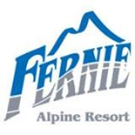

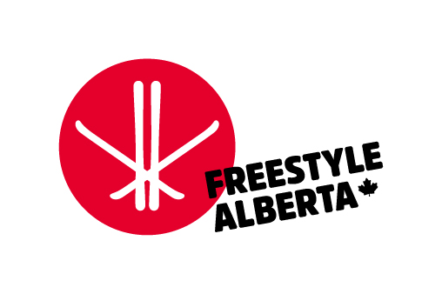

Submit registration to ferniefreestyleclub@gmail.com DEADLINE: Wednesday,January 18, 2018

 |  | Make cheque payable to: Fernie Freestyle Ski Club |  |  |  |  | $30 | Per Person
 |  | EVENT FEE: | $160 | Per Athlete |  |  |  | 5 & Under Free
Parent Volunteers

Please Click on Sign Up Genius to sign up for Volunteer Position

http://www.signupgenius.com/go/4090a44aeaa2da2fc1-fernie

Team:
Coaches:
Email Contact:

CFSA # | BIB# | Athlete Last Name | Athlete First Name | Birth Year (mm-dd-yyyy) | Male (mark X) | Female (mark X) | Event Total ($) | # Attending Banquet | # Vegetarian Option | Banquet Total ($) | Total Event & Banquet ($)
 |  |  |  |  |  |  |  |  |  | $0.00 | $0.00
 |  |  |  |  |  |  |  |  |  | $0.00
 |  |  |  |  |  |  |  |  |  | $0.00
 |  |  |  |  |  |  |  |  |  | $0.00
 |  |  |  |  |  |  |  |  |  | $0.00
 |  |  |  |  |  |  |  |  |  | $0.00
 |  |  |  |  |  |  |  |  |  | $0.00
 |  |  |  |  |  |  |  |  |  | $0.00
 |  |  |  |  |  |  |  |  |  | $0.00
 |  |  |  |  |  |  |  |  |  | $0.00
 |  |  |  |  |  |  |  |  |  | $0.00
 |  |  |  |  |  |  |  |  |  | $0.00
 |  |  |  |  |  |  |  |  |  | $0.00
 |  |  |  |  |  |  |  |  |  | $0.00
 |  |  |  |  |  |  |  |  |  | $0.00
 |  |  |  |  |  |  |  |  |  | $0.00
 |  |  |  |  |  |  |  |  |  | $0.00
 |  |  |  |  |  |  |  |  |  | $0.00
 |  |  |  |  |  |  | $0.00 |  |  | $0.00
 |  |  |  | Totals | 0 | 0 | $0.00 | 0 | 0 | $0.00 | $0.00

BIBS

Bib Deposit if using AFSA bibs (it is highly recommended that each club supply their own bibs). Requires a separate cheque or cash to be returned at end of comp.

 | Number of AFSA Bibs Required | Deposit/Bib ($) | Total bib deposit
 |  | 20 | $-

